Company Logos



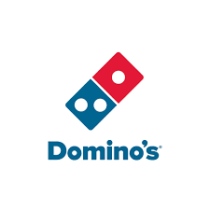



App Trader Data Viz
Top 10 Apps by LTV and Cost-to-Value Ratio
 | LTV | Cost-to-Value Ratio
PewDiePie's Tuber Simulator | $508,000 | 25.4
ASOS | $484,000 | 24.2
Domino's Pizza USA | $484,000 | 24.2
Egg, Inc. | $484,000 | 24.2
Geometry Dash Lite | $484,000 | 24.2
The Guardian | $484,000 | 24.2
Cytus | $464,200 | 11.663316583
Angry Birds Blast | $460,000 | 23
Angry Birds Epic RPG | $460,000 | 23
Angry Birds Rio | $460,000 | 23
Top 10 Apps by Genre
Genre
Games | 7
Shopping | 1
Food & Drink | 1
News | 1

